Sheet5
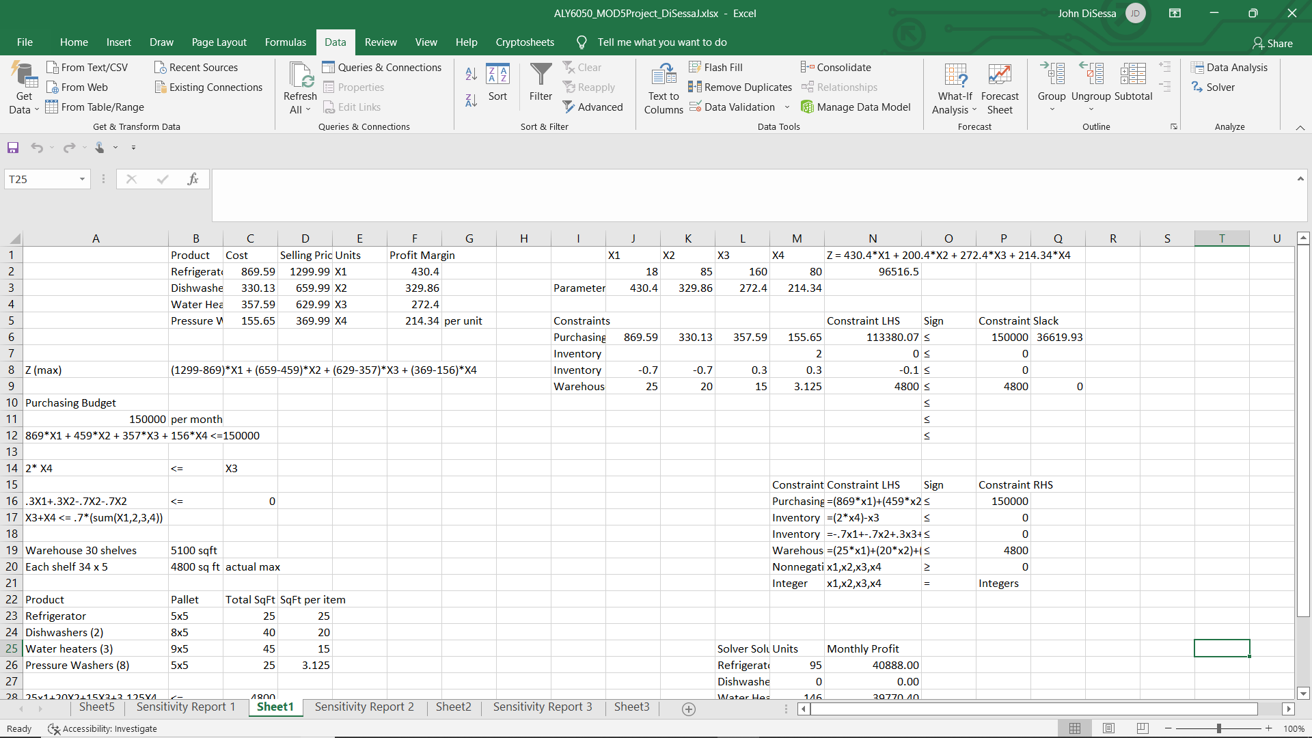
Unit | Product | Cost | Selling Price | Profit Margin
X1 | Refrigerator | $869.59 | $1,299.99 | $430.40
X2 | Dishwasher | $459.59 | $659.99 | $200.40
X3 | Water Heater | $357.59 | $629.99 | $272.40
X4 | Pressure Washers | $155.65 | $369.99 | $214.34

Product | Pallet | Total SqFt | SqFt per Item
Refrigerator | 5x5 | 25 | 25
Dishwashers (2) | 8x5 | 40 | 20
Water heaters (3) | 9x5 | 45 | 15
Pressure Washers (8) | 5x5 | 25 | 3.125

Type | Constraint LHS | Sign | Constraint RHS
Purchasing | =(869.59*X1)+(459.59*X2)+(357.59*X3)+(155.65*X4) | ≤ | 150000
Inventory | =(2*X4)-X3 | ≤ | 0
Inventory | =-.7X1+-.7X2+.3X3+.3X4 | ≤ | 0
Warehouse | =(25*X1)+(20*X2)+(15*X3)+(3.125*X4) | ≤ | 4800
Nonnegativity | X1,X2,X3,X4 | ≥ | 0
Integer | X1,X2,X3,X4 | = | Integers

Solver Solution | Units | Monthly Profit
Refrigerator | 95 | 40888
Dishwashers | 0 | 0
Water Heaters | 146 | 39770.4
Pressure Washers | 73 | 15646.82

Solver Solution | Units | Monthly Profit
Refrigerator | 0 | 0
Dishwashers | 132 | 26452.8
Water Heaters | 205 | 55842
Pressure Washers | 102 | 21862.68

